master
TMMIN ENGINE PRODUCTION KARAWANG 3 DIVISION MAINTENANCE DEPT. |  |  |  |  |  | Long Time Breakdown & Reocurrence Prevention Report |  |  |  |  |  |  |  |  |  |  |  |  |  |  |  |  |  |  | Action |  |  |  |  | DpH |  |  |  |  | SH |  |  |  |  |  |  | GL |  |  |  |  | TL

 |  |  |  |  |  |  |  |  |  |  |  |  |  |  |  |  |  |  |  |  |  |  |  |  |  |  |  |  |  |  | / |  | /
 |  |  |  |  |  |  |  |  |  |  |  |  |  |  |  |  |  |  |  |  |  |  |  |  | Countermeasure

 |  |  |  |  |  |  |  |  |  |  |  |  |  |  |  |  |  |  |  |  |  |  |  |  |  |  |  |  |  |  | / |  | / |  |  |  | / |  | / |  |  |  | / |  |  | / |  |  | / |  | /

1. Kejadian | Breakdown Start |  |  |  |  |  |  |  |  | 2. PROBLEM : |  |  |  |  |  |  |  |  |  |  |  |  | Line |  |  |  | LPDC |  |  |  |  |  |  |  |  |  | PIC |  |  |  |  |  |  |  | Report Number
 | Tanggal | Bulan | Tahun | Shift | Start |  | Finish |  | B/D Duration | Unloading SV MP alarm |  |  |  |  |  |  |  |  |  |  |  |  | Mesin |  |  |  | IKDM-004 |  |  |  |  |  |  |  |  |  | SUPRIYADI,ADI SUCIPTO,MUHAMMAD SAZALI KHOMSIN,Youni |  |  |  |  |  |  |  | 1000730
 | 19 | 03 | 03 | WHITE | 10:49:00 |  | 13:45:00 |  | 176 |  |  |  |  |  |  |  |  |  |  |  |  |  | Nama proces |  |  |  | -
3. PROBLEM DESCRIPTION |  |  |  |  |  |  |  |  |  |  |  | 5.STEP REPAIR ( Micro Analysis )
3.a. Uraian Kejadian |  |  |  | 3.b. Ilustrasi
Ideal |  | 55
Actual |  | 55
Ideal
Actual
Ideal
Actual
Ideal |  | 30
Actual |  | 496
Ideal
Actual
Ideal
Actual
Flow proses |  |  |  | STANDARD |  |  |  |  |  |  |  | No | Step Repair ( Actual ) |  | Work |  | Menit |  |  |  |  |  |  |  |  |  |  |  |  |  |  |  |  |  |  |  |  | Quick
 |  |  |  |  |  |  |  |  |  |  |  |  |  |  | Time |  | 60 | 120 | 180 |  |  | 240 |  | 300 |  | 360 |  | 420 |  |  | 480 |  | 540 |  |  | 600 |  | 6 |  |  |  |  |  |  |  |  |  |  |  |  |  | Input di bawah di gunakan untuk grafik (jangan di hapus)
Robot Yaskawa tidak bisa digerakan dan timbul Alarm "SV-MV FAULT",coba direset alarm tapi tidak bisa,kemudian di cek I/O timbul alram "A410 ( Under Voltage )" |  |  |  | 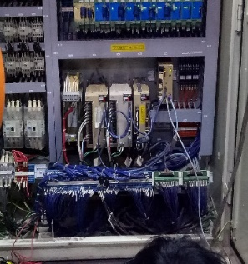 <no-description> |  |  |  | <images> |  |  |  | 1 | Cek parameter Servo Amp Lifter Axis |  | 10 |  |  |  |  |  |  |  |  |  |  |  |  |  |  |  |  |  |  |  |  |  |  | Q1 |  |  |  |  |  |  |  |  |  |  |  |  |  | Q1 | Ideal | 60
 |  |  |  |  |  |  |  |  |  |  |  | 2 | Back up Program Servo Amp |  | 20 |  |  |  |  |  |  |  |  |  |  |  |  |  |  |  |  |  |  |  |  |  |  | Q1 |  |  |  |  |  |  |  |  |  |  |  |  |  |  | Actual | 120
 |  |  |  |  |  |  |  |  |  |  |  | 3 | Ambil Part servo Amp yang ada di Mesin IKDM 001 |  | 30 |  |  |  |  |  |  |  |  |  |  |  |  |  |  |  |  |  |  |  |  |  |  | Q1 |  |  |  |  |  |  |  |  |  |  |  |  |  | Q2 | Ideal | 0
ALL unit servoAmp robot yaskawa ready
 |  |  |  |  |  |  |  |  |  |  |  | 4 | Remote Program By vendor |  | 60 |  |  |  |  |  |  |  |  |  |  |  |  |  |  |  |  |  |  |  |  |  |  | Q1 |  |  |  |  |  |  |  |  |  |  |  |  |  |  | Actual | 55
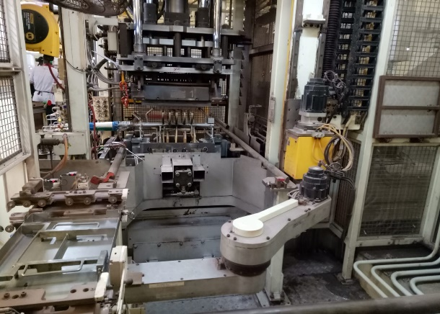 <images> |  |  |  |  |  |  |  |  |  |  |  | 5 | Upload program |  | 45 |  |  |  |  |  |  |  |  |  |  |  |  |  |  |  |  |  |  |  |  |  |  | Q2 |  |  |  |  |  |  |  |  |  |  |  |  |  | Q3 | Ideal | 0
 |  |  |  |  |  |  |  |  |  |  |  | 6 | Trial pergerakan robot |  | 10 |  |  |  |  |  |  |  |  |  |  |  |  |  |  |  |  |  |  |  |  |  |  | Q2 |  |  |  |  |  |  |  |  |  |  |  |  |  |  | Actual | 0
 |  |  |  |  |  |  |  |  |  |  |  | Total Time |  |  | 175 |  |  |  |  |  |  |  |  |  |  |  |  |  |  |  |  |  |  |  |  |  |  |  |  |  |  |  |  |  |  |  |  |  |  |  |  | Q4 | Ideal | 0
 |  |  |  |  |  |  |  |  |  |  |  |  |  |  |  |  |  |  |  |  |  |  |  |  |  |  |  |  |  |  |  |  |  |  |  |  |  |  |  | … |  |  |  |  |  |  |  |  |  |  |  |  | Actual | 0
 |  |  |  |  |  |  |  |  |  |  |  | No | Step Repair ( Ideal ) |  | Work |  | Menit |  |  |  |  |  |  |  |  |  |  |  |  |  |  |  |  |  |  |  |  | Quick |  |  |  |  |  |  |  |  |  |  |  |  |  | Q5 | Ideal | 0
 |  |  |  | ACTUAL |  |  |  |  |  |  |  |  |  |  | Time |  | 60 | 120 | 180 |  |  | 240 |  | 300 |  | 360 |  | 420 |  |  | 480 |  | 540 |  |  | 600 |  | 6 |  |  |  |  |  |  |  |  |  |  |  |  |  |  | Actual | 0
 |  |  |  | 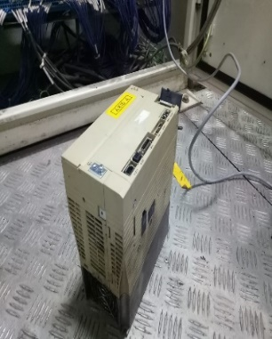 <no-description> |  |  |  | <images> |  |  |  | 1 | Cek parameter Servo Amp Lifter Axis |  | 10 |  |  |  |  |  |  |  |  |  |  |  |  |  |  |  |  |  |  |  |  |  |  | Q1 |  |  |  |  |  |  |  |  |  |  |  |  |  | Q6 | Ideal | 0
Unit servoAmp Lifter-Axis Fault A410 under voltage
 |  |  |  |  |  |  |  |  |  |  |  | 2 | Back up Program Servo Amp |  | 10 |  |  |  |  |  |  |  |  |  |  |  |  |  |  |  |  |  |  |  |  |  |  | Q1 |  |  | Current Step (Get Experience) |  |  |  |  | 175 |  |  |  |  |  |  | Actual | 0
 |  |  |  |  |  |  |  |  |  |  |  | 3 | Intalasi Unit servo Amp |  | 15 |  |  |  |  |  |  |  |  |  |  |  |  |  |  |  |  |  |  |  |  |  |  | Q1 |  |  |  |  |  |  |  | ↕️
 |  |  |  |  |  |  |  |  |  |  |  | 4 | Upload program |  | 15 |  |  |  |  |  |  |  |  |  |  |  |  |  |  |  |  |  |  |  |  |  |  | Q1 |  |  |  |  |  |  |  |  |  | ➡️ |  | 115
R/B tidak bisa moving untuk ambil pallet |  |  |  |  |  |  |  |  |  |  |  | 5 | Trial pergerakan robot |  | 10 |  |  |  |  |  |  |  |  |  |  |  |  |  |  |  |  |  |  |  |  |  |  | Q1 |  |  | Ideal Step ( Get Know how )
 |  |  |  |  |  |  |  |  |  |  |  |  |  |  | 0 |  |  |  |  |  |  |  |  |  |  |  |  |  |  |  |  |  |  |  |  |  |  |  |  |  |  |  |  |  |  | 60
 |  |  |  |  |  |  |  |  |  |  |  | Total Time |  |  | 60
4. KENAPA TERJADI (5W Analysis) |  |  |  | BAG | Engser |  | Prod |  | Staff Mt | MT | QC | 6. KENAPA LAMA ( 5W Analysis ) |  |  |  |  |  |  |  |  |  |  |  |  |  |  |  |  |  |  |  |  |  |  |  |  |  |  |  |  |  |  |  |  |  |  |  |  |  |  |  |  |  |  | 8. ITEM YANG PERLU DILAKUKAN / NEXT ACTION
 |  |  |  | PIC |  |  |  |  |  |  |  |  |  |  |  |  |  |  |  |  |  |  |  |  |  |  |  |  |  |  |  |  |  |  |  |  |  |  |  |  |  |  |  |  |  |  |  |  |  |  |  |  |  |  |  | Items | PIC | Kapan | Jud
Lifter axis robot yaskawa macet
Upload program servo amp lama
 |  |  |  |  |  <images-why-analysis> |  |  |  |  |  |  |  |  |  |  |  | <some ilustration> |  |  |  |  |  |  |  |  |  |  |  | <some ilustration> |  |  |  |  |  |  |  |  |  |  |  |  |  |  |  |  |  |  |  |  |  |  |  |  |  |  | Over haul mesin
 |  |  |  |  |  |  |  |  |  |  |  |  |  |  |  |  |  |  |  |  |  |  |  |  |  |  |  |  |  |  |  |  |  |  |  |  |  |  |  |  |  |  |  |  |  |  |  |  |  |  |  |  |  |  |  | Improvement
Timbul Alarm SV MP Fault di monitor
Servo amp model baru
 |  |  |  |  |  |  |  |  |  |  |  |  |  |  |  |  |  |  |  |  |  |  |  |  |  |  |  |  |  |  |  |  |  |  |  |  |  |  |  |  |  |  |  |  |  |  |  |  |  |  |  |  |  |  |  | Revice TPM
 |  |  |  |  |  |  |  |  |  |  |  |  |  |  |  |  |  |  |  |  |  |  |  |  |  |  |  |  |  |  |  |  |  |  |  |  |  |  |  |  |  |  |  |  |  |  |  |  |  |  |  |  |  |  |  | Spare Part:
Servo Amp alarm A410 Under Voltage
 |  |  |  |  |  |  |  |  |  |  |  |  |  |  |  |  |  |  |  |  |  |  |  |  |  |  |  |  |  |  |  |  |  |  |  |  |  |  |  |  |  |  |  |  |  |  |  |  |  |  |  |  |  |  |  | Yokoten
skill tidak ada untuk upload dan download program servo amp

Servo Amp NG ( Life Time 8 Th )

 |  |  |  |  |  |  |  |  |  |  |  | 7. COUNTER MEASURE |  | (c/m kategory: 1. Improvement 2. Training 3. Revice TPM 4. Spare Part) |  |  |  |  |  |  |  |  |  |  |  |  |  |  |  |  |  |  |  | 8. YOKOTEN COUNTERMEASURE
 |  |  |  |  |  |  |  |  |  |  |  | Point | Countermeasure |  |  | C/M Katagori |  |  |  |  | PIC |  |  |  | Bagian |  | Kapan |  |  |  |  | Jud (ok) |  | Mesin |  |  |  |  |  |  | PIC |  |  | Bagian |  |  |  | Kapan |  |  | Jud (ok)
 |  |  |  |  |  |  |  |  |  |  |  | 1 | Ganti servo amp yaskawa type baru |  |  | Sparepart |  |  |  | MUHAMMAD SAZALI KHOMSIN |  |  |  |  | MT |  | 2025-03-19 |  |  |  |  | OK
 |  |  |  |  |  |  |  |  |  |  |  | 3 | Buat JIS cara me-reset alarm |  |  | Improvement |  |  |  | Youni |  |  |  |  | MT |  | 2025-04-20 |  |  |  |  | OK
 |  |  |  |  |  |  |  |  |  |  |  | 3 | Training skill up cara ganti servo amp model baru |  |  | Improvement |  |  |  | Sazali |  |  |  |  | MT |  | 2025-04-20 |  |  |  |  | OK

